User Guide
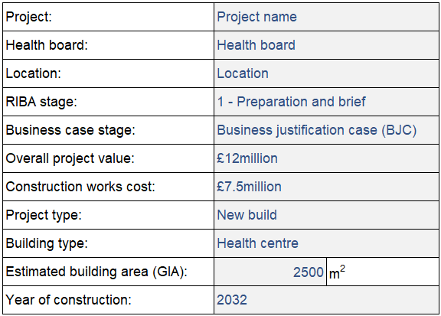
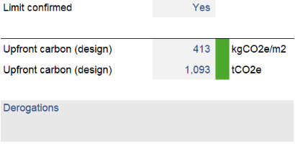
NHSW Reporting Template

User Guide | Overview | At each business case submission the estimated building area (GIA) should be confirmed and the project limits will be derived from the project details and GIA information. The limit should be discussed and confirmed with NHS Wales Shared Services Partnership (SSP).
 | The NHSW Reporting Template has been developed to provide an alternative approach to net zero carbon assessments for projects with a construction works value between £2-20million. This reporting template should be used in conjunction with the NHS Wales Net Zero Building Standard Alignment guidance document and wider NHS England Net Zero Building Standard as appropriate. The purpose of this reporting template is to provide suitable operational energy and upfront carbon limits for projects based on early project information, and allow reporting and assessment through the project following the business case process.
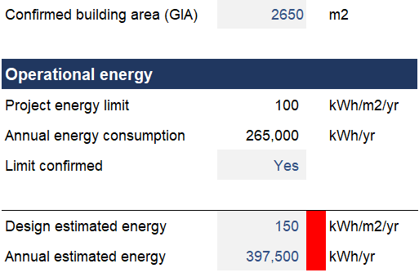
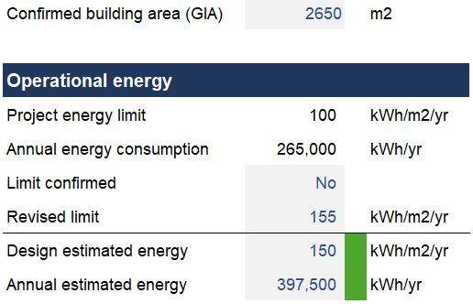

 | Using the template
 | In the template, information that requires user inputs are shaded and in blue text. | Where a limit is deemed unsuitable, a revised limit can be set and the performance (design estimate) will be assessed against the revised value. The template has been set to carry forward the limits confirmed at the previous business case stage for continuity. Below each reporting element for both operational energy and upfront carbon there is space to provide narrative for a derogation against the limit where the scheme is non-compliant. Where discussions with NHSW SSP have led to revised limits, this information should also be recorded here.

